1. Title Page
Grocery Basket Analysis

Project Name: Grocery Basket Analysis
Date: February 18, 2024
Analyst Name: Josh Wattay

Contents:
Population Flow
Consistency checks
Wrangling steps
Column derivations
Visualizations
Recommendations

2. Population Flow
Title page

Population flow

Exclusion flag
Condition: max_order < 5
Obervations to be removed: 1440295
Final total count of order_products_all: 30964564

Orders_products_combined
Orders_products_all
Orders_products_merged

Total: 32404859
Total: 32434489
Total: 32404859

1.) The grey boxes in the first row of the population flow represent the original data sets as they were when I downloaded them. In the Total fields I have added the count of the rows when I imported the data set into Jupyter.
2.) The second row of boxes (coloured) represents the data sets after I manipulated them, e.g., removed missing values and duplicates. In the Total fields I have added the count of the rows after conducting these operations. This offers a visual oveview of how the data flows throughout the data consistency checks.
3.) The third row, where also the arrows are coloured, represents the merges I performed between the datasets. In the Total fields I have added the count of the rows in the merged datasets, so that the count of the final dataset is in the red box. Keep in mind the final dataset should be without exclusions (based on the exclusion flag).

3. Consistency checks
 |  |  |  | Title page
Consistency checks

Dataset | Missing values | Missing values treatment | Duplicates
orders | days_since_prior_order' has 206209 null values (NaN) | A further inquiry of the data determined that it is reasonable to assume the null values for 'days_since_prior_order' indicate a user's first order of an item on the Instacart platform, thereby making it impossible to determine the days since prior order and resulting in an expected null or NaN value. These observations are still important for the analysis, so nothing was done to curate these observations. | N/A
products | product_name' has 16 null values (NaN) | A decision was made to create a subset of the data for analysis that excluded products with a missing 'product_name' value. The dataframe df_prods_clean was created using this method and used for any additional analysis involving products. | There were five (5) duplicates identified in the products dataset, namely: product_ids 462, 18458, 26808, 35306, and 35491. These were removed using the .duplicated() command to create a df_dups dataframe containing only the duplicates. Then the duplicates were dropped/removed from the df_prods_clean dataset by using the df.drop_duplicates() command.
orders_products_prior | N/A | N/A | N/A
customers | first_name' has 11259 null values (NaN) | A decision was made to create a subset of the data for analysis that excluded 'first_name' and 'last_name' in order to protect customer Personally Identifiable Information (PII). Therefore, this also took care of the missing/null values in the 'first_name' column. | N/A

4. Wrangling steps
 |  |  |  |  | Title page
Wrangling steps

Dataframe | Columns dropped | Columns renamed | Columns' type changed | Comment/Reason
df_ords | eval_set | orders_dow | user_id & order_id | 1. eval_set was dropped because this variable was not relevant to the scope of the analysis. 2. orders_dow was renamed to orders_day_of_week for clarity and ease of reference. 3. user_id and order_id were changed to a string data type to prevent the potential for an erroneous quantitative analysis.
df_prods | n/a | n/a | products_name | 1. products_name was changed to a string datatype to inspect for and prevent any mixed data type columns.
df_customers | first_name & last_name | 1. fam_status 2. Surnam 3. STATE | first_name | 1. fam_status was renamed to marital_status for clarity and ease of reference. 2. Surnam was renamed to last_name to correct the typo and for consistency with the correpsonding first_name column. 3. STATE was renamed to State to be consistent with all other columns not containing all caps. 4. first_name was changed to a string data type to inspect for and prevent any mixed data type columns. 4. First name and last name were dropped because the customers names are not relevant to the scope of this analysis, and in the interest of protecting the customers PII from potential data breaches/leaks.
ords_prods_merge | n/a | n/a | prices | 1. There were erroneous values for 2% milk and cottage cheese, stating that the price for said items was >$10000. I changed the prices for these products to $25, which was the max price of the remaining products.

5. Column derivations
 |  |  |  | Title page

Column derivations and aggregations

In this tab I have added tables below that the frequences of flags/label variables that were produced after deriving them. NOTE: I've only done this for flags, not continuous variables.
price_range_loc count
Mid-range product 21860860
Low-range product 10126321
High-range product 417678
busiest_day count
Regularly busy 12916111
Busiest days 11864412
Slowest days 7624336
busiest_days count
Regularly busy 12916111
Busiest days 11864412
Slowest days 7624336
busiest_period_of_day count
Most Orders 21118071
Average Orders 9997651
Fewest Orders 1289137
loyalty_flag count
Regular customer 15876776
Loyal customer 10284093
New customer 6243990
spending_flag count
Low spender 32282827
High spender 122032
order_frequency_flag count
Frequent customer 21559853
Regular customer 7208564
Non-frequent customer 3636437
nan 5
age_group count
Middle-Aged 2190909
Senior 2152145
Adult 1749801
Elderly 1599330
Young Adult 1596283
dependant_flag count
With Dependants 6969148
Without Dependants 2319320
Dataset | New column | Column/s it was derived from | Conditions
ords_prods_merge | price_range_loc | prices | 1. IF the row 'prices' value is <= 5 THEN price_range = Low-range product. 2. IF the row 'prices' value is > 5 and <= 15 THEN price_range = Mid-range product. 3. IF the row 'prices' value is > 15 THEN price_range = High-range product.
ords_prods_merge | busiest_day | orders_day_of_week | for value in ords_prods_merge["orders_day_of_week"]: if value == 0: result.append("Busiest day") elif value == 4: result.append("Least busy") else: result.append("Regularly busy")
ords_prods_merge | busiest_days | orders_day_of_week | for value in ords_prods_merge["orders_day_of_week"]: if value == 0 or value == 1: result.append("Busiest days") elif value == 3 or value == 4: result.append("Slowest days") else: result.append("Regularly busy")
ords_prods_merge | busiest_period_of_day | orders_time_of_day | for value in ords_prods_merge["orders_time_of_day"]: if value == 10 or value == 11 or value == 14 or value == 15 or value == 13 or value == 12 or value == 16 or value == 9: result.append("Most Orders") elif value == 17 or value == 8 or value == 18 or value == 19 or value == 20 or value == 7 or value == 21 or value == 22: result.append("Average Orders") else: result.append("Fewest Orders")
ords_prods_merge | max_order | user_id & order_number | ords_prods_merge['max_order'] = ords_prods_merge.groupby(['user_id'])['order_number'].transform(np.max) - in other words, the max_order column should only reflect the maximum order number for each user_id.
ords_prods_merge | loyalty_flag | max_order | 1. IF max_order > 40 THEN loyalty flag = Loyal customer. 2. IF max_order <= 40 & > 10 THEN loyalty_flag = 'Regular customer. 3. IF max_order <= 10 THEN loyalty_flag = New customer.
ords_prods_merge | average_purchase_cost | user_id & prices | ords_prods_merge['average_purchase_cost'] = ords_prods_merge.groupby(['user_id'])['prices'].transform(np.mean) - in other words, this will produce the average price of all purchases made per user_id.
ords_prods_merge | spending_flag | average_purchase_cost | 1. IF average purchase cost >= 10 THEN spending flag = High spender. 2. IF average purchase cost < 10 THEN spending flag = Low spender.
ords_prods_merge | median_days_btwn_orders | user_id & days_since_prior_order | ords_prods_merge['median_days_btwn_orders'] = ords_prods_merge.groupby(['user_id'])['days_since_prior_order'].transform(np.median) - in other words, this will produce the median number of days between each order for every user_id.
ords_prods_merge | order_frequency_flag | median_days_btwn_orders | 1. IF median_days_btwn_orders > 20 THEN order_frequency_flag = Non-frequent customer. 2. IF median_days_btwn_orders > 10 & <= 20 THEN order_frequency_flag = Regular Customer. 3. IF median_days_btwn_orders <=10 THEN order_frequency_flag = Frequent Customer.
small | dependant_mean | n_dependants | Calculate the mean of the n_dependants column grouping by user_id.
small | dependant_flag | dependant_mean | IF dependant_mean > 0 THEN dependant_flag = With Dependants - IF dependant_mean < 0 THEN dependant_flag = Without Dependants
small | income_tier | income | low_income_tier_1_threshold = 30000 low_income_tier_2_threshold = 59850 mid_income_tier_1_threshold = 85000 mid_income_tier_2_threshold = 100000 high_income_tier_1_threshold = 150000 high_income_tier_2_threshold = 200000
small | customer_profile | age_group, income_tier, dependant_flag | ['customer_profile'] = ['age_group'] + ['income_tier'] + ['dependant_flag']
small | age_group | Age | 1. IF Age >= 18 & <= 28 THEN age_group = Young Adult. 2. IF Age >= 29 & <= 40 THEN age_group = Adult. 3. IF Age >= 41 & <= 55 THEN age_group = Middle-Aged 4. IF Age >= 56 & <= 70 THEN age_group = Senior. 5. IF Age >= 71 & <= 82 THEN age_group = Elderly.

6. Visualizations & Recs
 | Title page

Visualisations & Recommendations

In this tab I have included all the visualtions from Exercises 4.9 and 4.10, alongside the questions from the project brief that they answer, including any commentary on the relationship between different variables.
I have also included the recommendations I made to Instcart in terms of their marketing strategy based on the questions posed in the brief.
Every key question has been covered - here I've added a visualisation or table/crosstable that is showing the answer in the data, acompanied by my comments. For ease of reference, the questions will be listed below, followed by the relevant visualizations and answers/comments.

Key Questions
1. The sales team needs to know what the busiest days of the week and hours of the day are (i.e., the days and times with the most orders) in order to schedule ads at times when there are fewer orders.


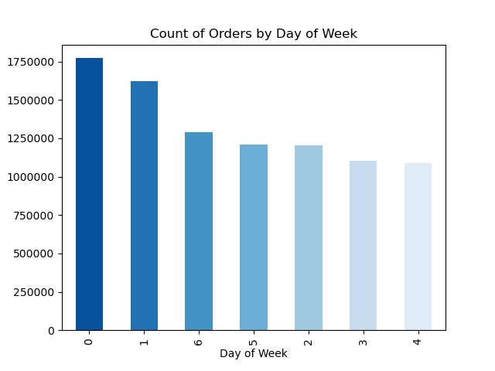

Recommendation:
The sales team should schedule more ads between 5pm (hour 17) and 12am (hour 0). There is a significant drop off in order frequency during that time frame. I recommend this timeframe because many individuals and potential/returning customers will be sleeping between the hours of 12am and 6am. The sales team needs to run more ads on Wednesday (day 4), Tuesday (day 3), and Monday (day 2). A significant amount of orders are being placed on the weekends (Saturday (0), Sunday (1), Friday (6)) between the hours of 9am and 6pm. We need to run ads in the afternoons and evenings on weekdays.

2. They (the sales team) also want to know whether there are particular times of the day when people spend the most money, as this might inform the type of products they advertise at these times.

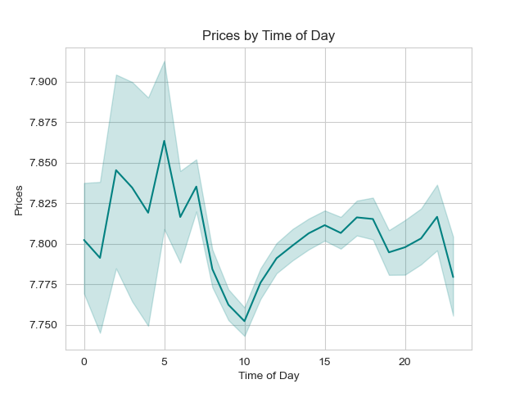
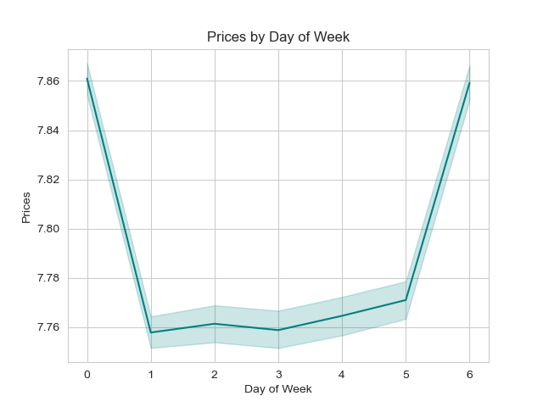

Recommendation:
There is a clear difference in average price per order in the early morning and late afternoon/evening hours. Prices per order are lowest in the late-morning/mid-day hours. Additionally, the average price per order is 10 cents higher on Saturdays and Fridays. This data suggests that customers are purchasing higher-priced items in the late evening and early morning hours. It could also be the case the when the volume increases in the morning and mid-day, that the volume of lower priced items drives down the average price per order. Ultimately, sales should advertise higher priced items such as alcohol or savory and/or sweet food delivery during the evening hours. Ads for higher priced and higher quality foods should also be increased during the morning and mid-day hours of 8am-2pm to increase average sales price. The same approach should be taken during the weekday marketing campaign to increase average order prices on Sunday and Tuesday.

3. Instacart has a lot of products with different price tags. Marketing and sales want to use simpler price range groupings to help direct their efforts.

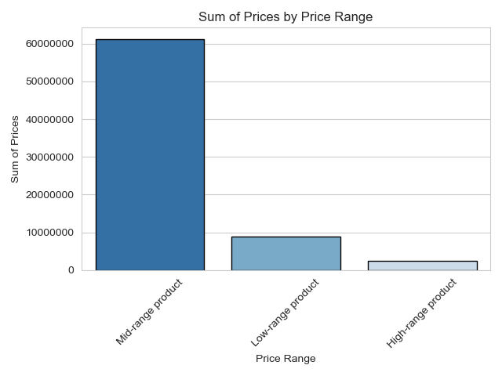

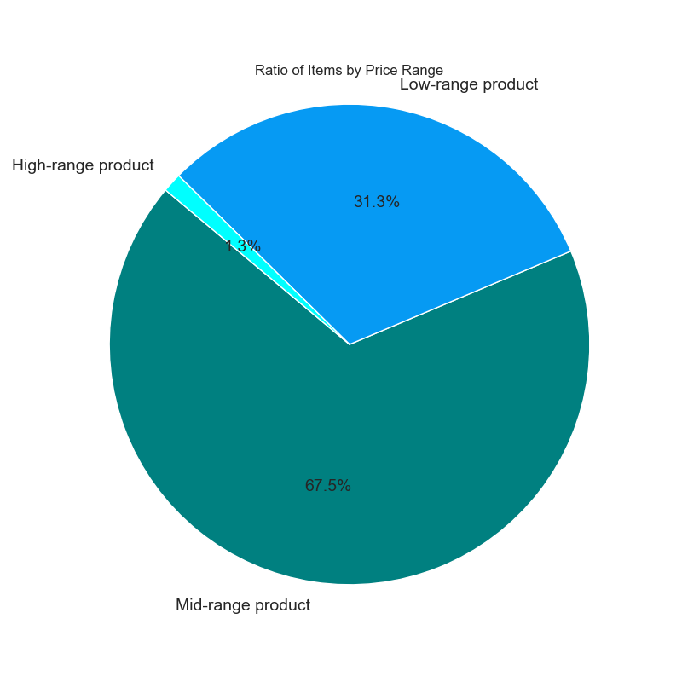

Recommendation:
The price_range_loc variable was created to foster simpler price range groupings for Instacarts product offerings. With that in mind, Low-range products are $5.00 or less. Mid-range products cost $5.01 to $15.00. High-range products cost $15.01 or more.
The data definitively shows how important the Mid-range product offerings are to Instacart's success. With a commanding 67.5% share of products, Mid-range products need to be highlighted in marketing campaings. In addition, Low and High-range products need to be promoted and ads need to raise awareness of these offerings.
I recommend an advertisement highlighting how much more convenient it is for consumers to get these high range products with Instacart as opposed to competitors or driving to the store themselves. The same concept applies to low-range products. Highlight to the customer how aggrivating it is to spend time seeking low-range products when you could just order them in bulk from Instacart.

4. Are there certain types of products that are more popular than others? The marketing and sales teams want to know which departments have the highest frequency of product orders.

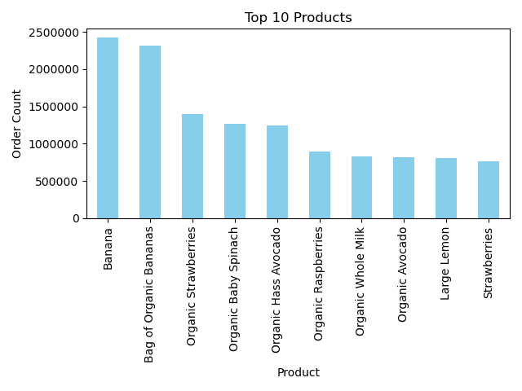
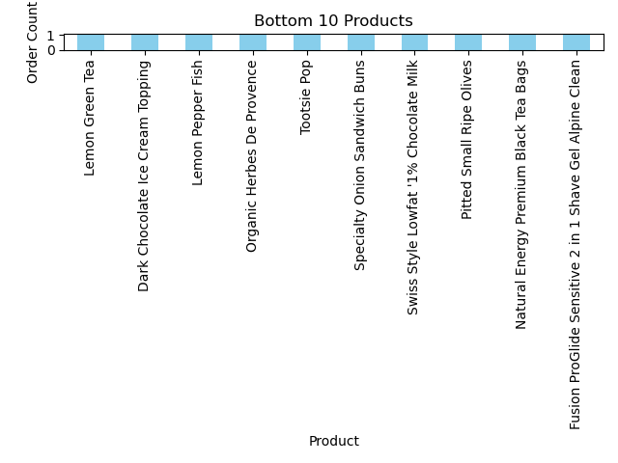

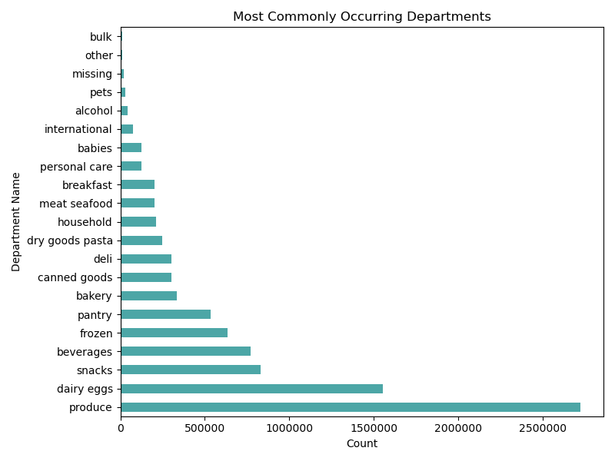
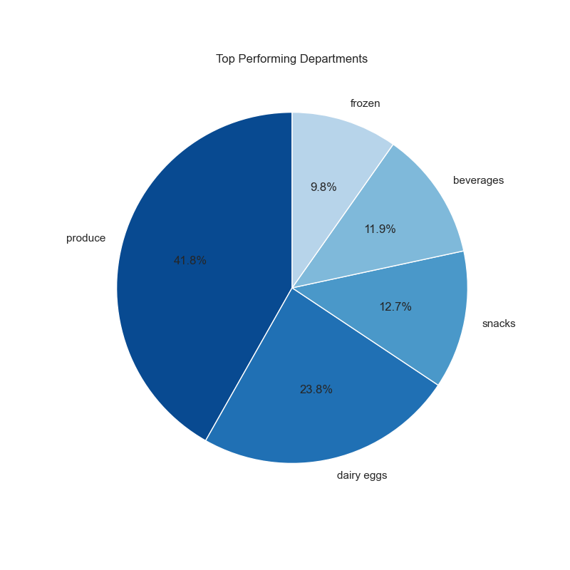

Recommendation:
Produce is the uncontested best performing department with almost half of all orders (41.8%). Dairy eggs, snacks, beverages, and frozen departments bring in the remaining of the top 5 performing departments. All but 1 (Organic Whole Milk) of the top 10 performing products are in the produce department. There is no clear correlation to the bottom 10 performing products, but I recommend that marketing consider discontinuing the products from inventory.
The margin that produce has over the next closest department (+18%) should be investigated further by way of surveys and interview feedback. Once we understand what customers like about buying produce from Instacart, we can see if that concept is applicable to other departments for a targeted ad campaign.

5. The marketing and sales team are particularly interested in different types of customers in their system and how their ordering behaviors differ. For example:
What is the distribution among users in regards to their brand loyalty (i.e. how often do they return to instacart)?

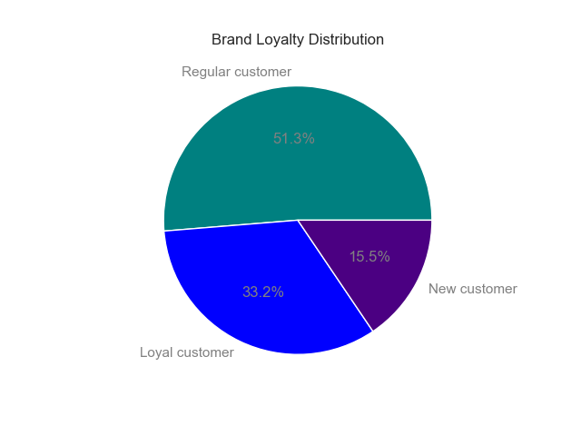
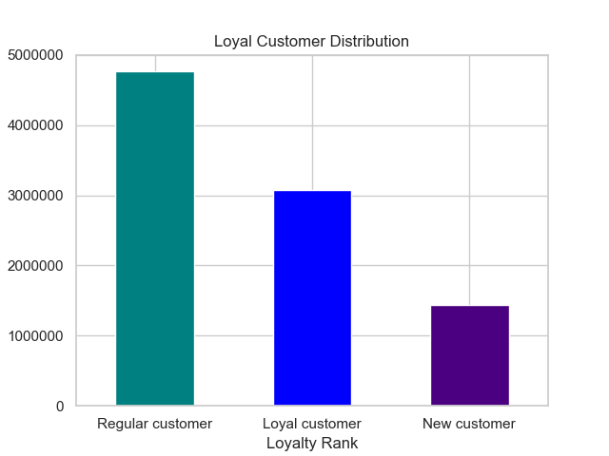

Recommendation:
Customers with a median time between orders between 10.1 and 20 days make up the majority of our customer base (51.3%). Loyal customers with a median time between orders at 10 days or less make up a solid third of our customer base (33.2%). This distribution suggests that most of our customers shop 2 to 3 times per month. There should be incentives for customers who place 4 orders per month. This would increase the amount of loyal customers. Further, there should be a loyalty program created to incentivize loyal customers to remain loyal.
New customers should also receive a coupon code after their first purchase to pursuade and encourage them to continue shopping. We should also be offering referral incentives to all customers to continue growing our consumer base.

6. Are there differences in ordering habits based on a customer's loyalty status?

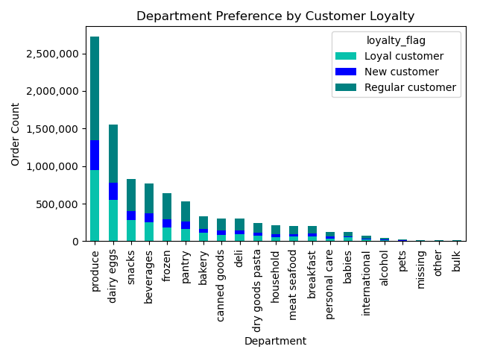
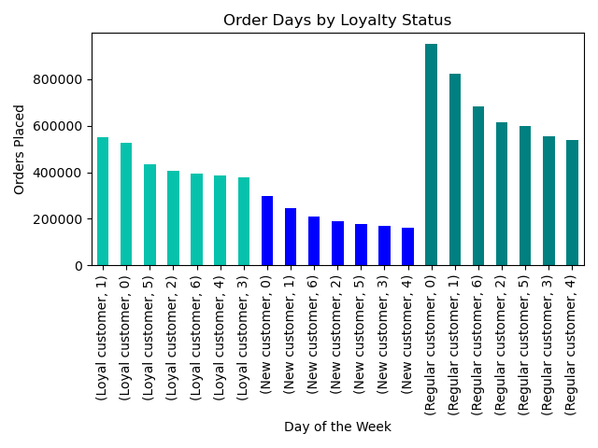

Recommendation:
There is not a noticeable deviation in department sales based upon customer loyalty. However, there are some slight differences in order volume by day of the week in each loyalty group.
First and foremost, each loyalty group shops the most on Saturday and Sunday, with the exception of Loyal customers, who shop the most on Sunday then Saturday.
Interestingly enough, the same pattern exists for the least popular days by group. New and Regular customers shop least on Wednesday and Tuesday, but Loyal customers shop least on Tuesday then Wednesday.
Furthermore, Loyal customers and New Customers have a smaller range in terms of orders placed on their respective busiest and slowest days. Meanwhile, Regular customers have a significant decrease in order volume as the week progresses. Perhaps this is due to the fact that they place orders weekly to meal prep or stock up for the week. This should be explored further by way of customer feedback from this loyalty group.

7. Are there differences in ordering habits based on a customer's region?

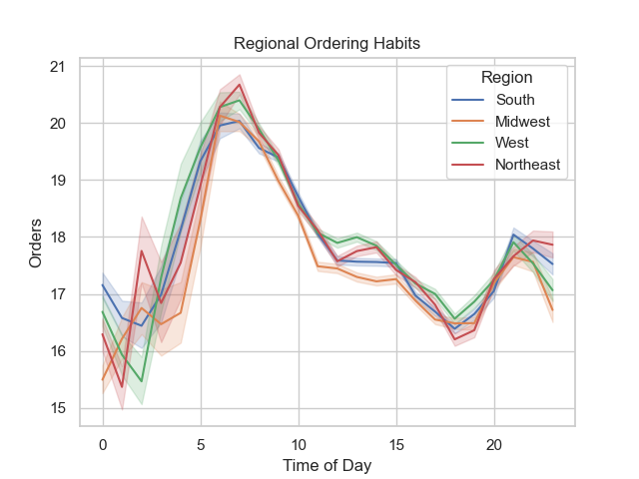
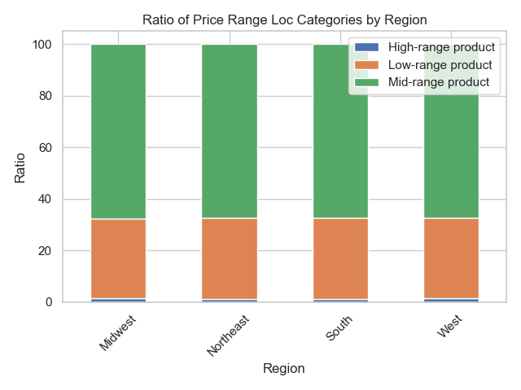

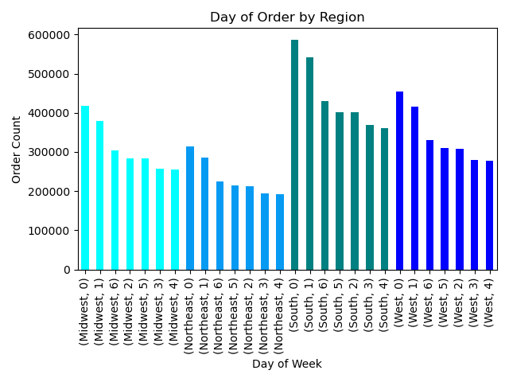
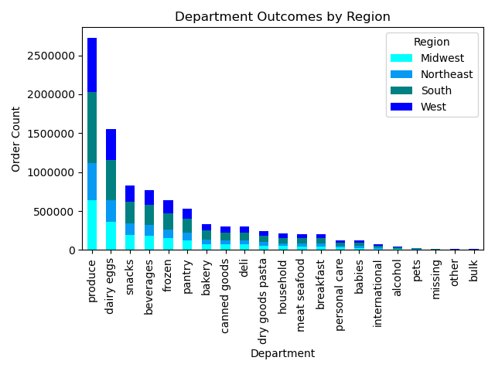

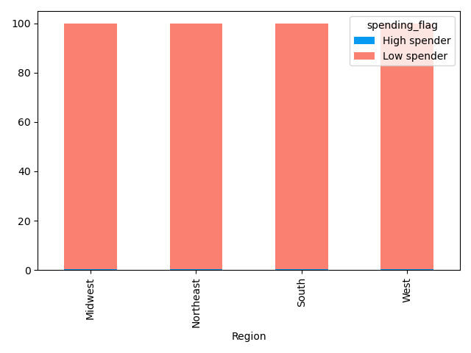
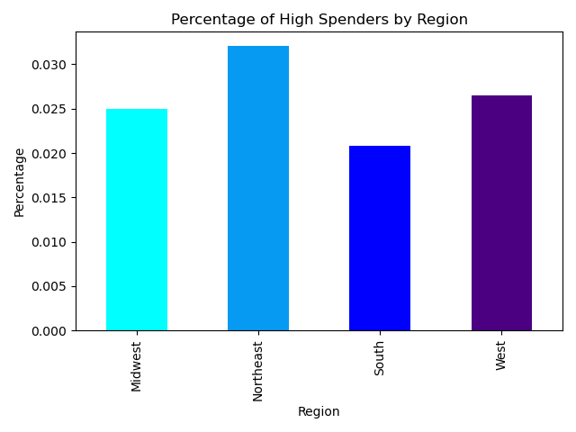

Recommendation:
While intuitively one may believe each region is unique, the data suggests that the regions are quite possibly the most uniform variable in this dataset. Lets first observe ordering habits based on time and day of the week.
In the line chart above, a clear trend emerges, representing a peak in order number for each region between the hours of 6AM and 9AM. The orders then steadily drop off until reaching a nadir at 7pm (hour 19). Region seemingly has little to no impact on when a customer places their order.
This trend continues in the "Day of Order by Region" bar chart. Every single region, with the exception of the Midwest, has the same heirarchy of volume per day (Saturday, Sunday, Friday, Thursday, Monday, Tuesday, Wednesday). The only difference for the Midwest is that Monday comes immediately before Thursday. Region seeminlgy has little to no impact on what day a customer places their order.
Next, lets observe product price range category by region. When observed as a ratio to account for each region having a different population, Mid-range products make up ~ 64% of each regions' orders. Low-range products ($5 or less) make up ~ 35% of each region's orders. High-range products (more than $15) make up just over ~1% of each regions's orders. Region seemingly has little to no impact on the price-range of products a customer orders.
When observing "Department Outcomes by Region", we see that there is no noticeable difference between Regional preference for any particular department. Produce remains the most popular department and is also the most popular department for each region. Region seemingly has little to no impact on the departmental preferences of a customer.
Lastly, when observing the ratio and percentage by spending category by region, the differences in each regions' ratio are so finite that they appear identical when plotted in a stacked bar chart. Only when I plotted on a much smaller scale to demonstrate the nature of these differences in the "Percentage of High Spenders by Region" could one observe the visual difference.
There is an opportunity in every region to increase sales during the weekday, increase sales during the evenings, and increase the amount of high spenders. I recommend launching sales for bulk orders placed between the hours of 3pm and 7pm and a 15% coupon when you place an order of $20 or more.

8. Is there a connection between age and family status in terms of ordering habits?

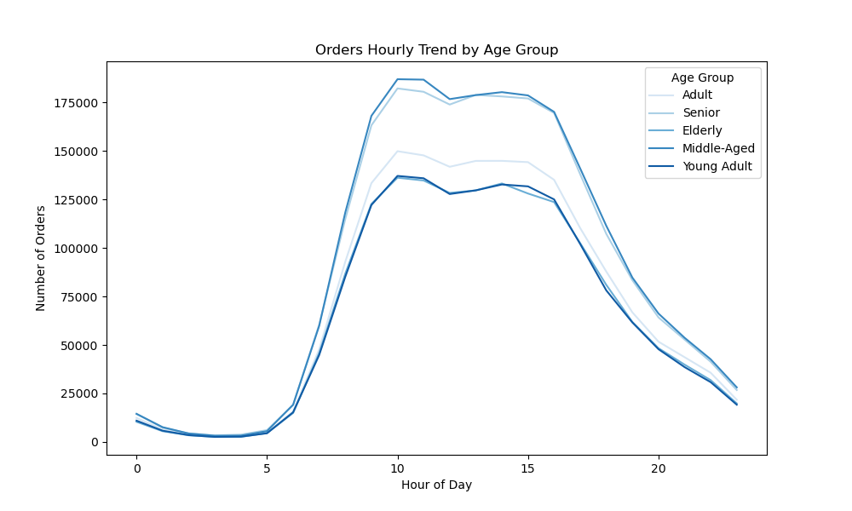
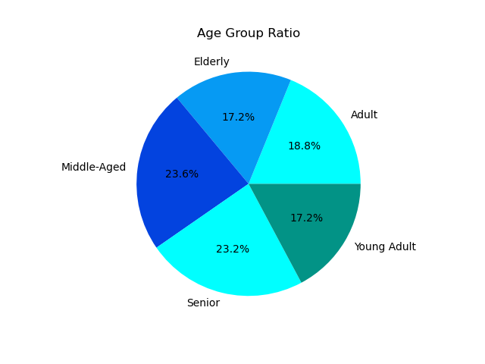
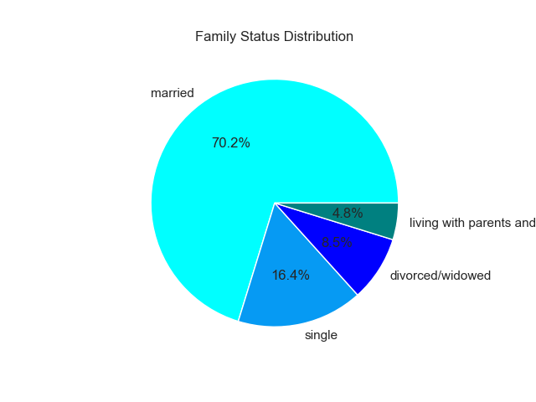

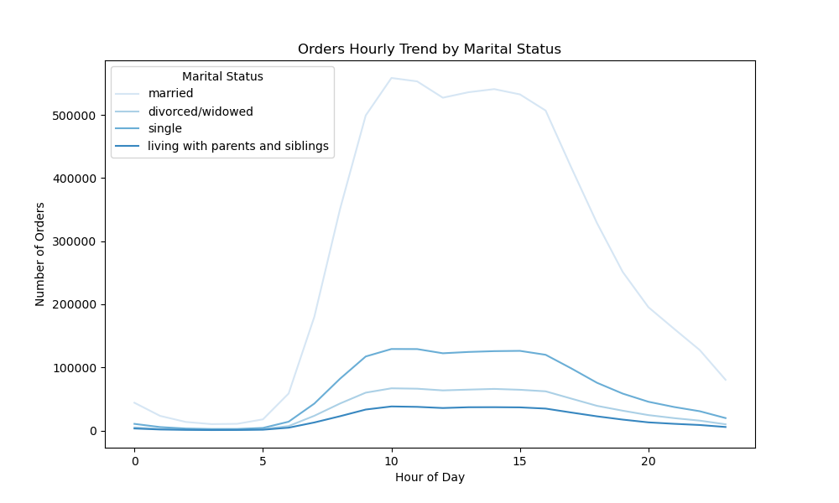
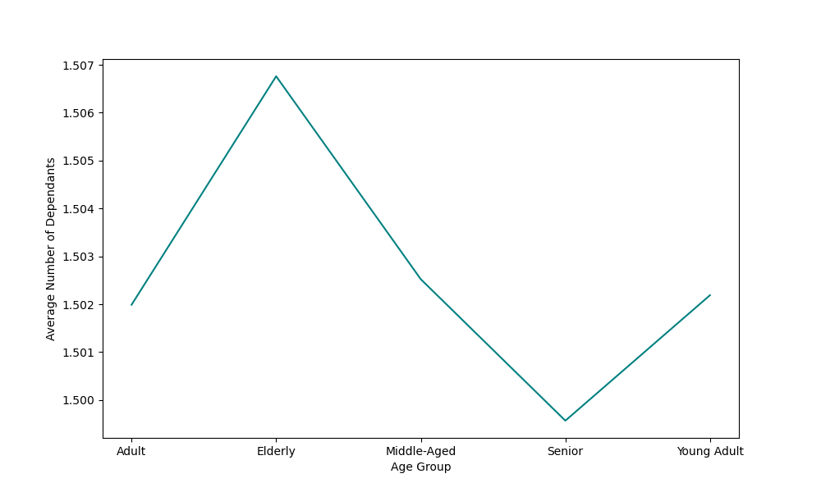

Recommendation:
Most of our customers are between the ages of 41 and 70 years old. The overwhelming majority of our customers are married. With that being said we need to conduct more research surrounding the preferences of married customers, since they contain such a lionshare of our customer base. We then need to highlight those preferences in ads to reach potential customers who are also married by appealing to something a similar demographic is taking advantage of on our platform.
There is an excellent opportunity to attract new single customers. Increasing awareness of snacks, alcohol, and personal care products for single adults would be a great start. I recommend an online ad campaign on social media such as instagram, TikTok, Snapchat, or X (FNA Twitter).
There is no noticeable difference between age or marital status and when customers place their order, nor is there much difference between the average number of dependants per age group. Each age group has almost exactly 1.50 dependants on average.

9. What different classifications does the demographic information suggest?

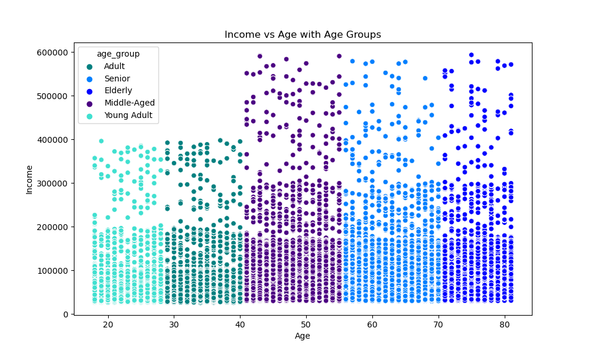

Recommendation:
The demographic information demonstrates a slight positive correlation between age and income. As age increases, so will income, which is likely to be expected.
The biggest insight here is that there is a significant increase in income at the upper range of the Adult age group (40 years-old) and the lower range of the Middle-Aged group (41 years-old).
I recommend that we target more Middle-Aged adults not using the platform to expand on this demographic, as the data suggests they have the income necessary to place orders on a regular basis.
We also need to review the platforms accessibility among the Elderly age group. This age group has the income to use the platform more often, but they only make up 17.2% of our customer base.

10. What differences can you find in ordering habits of different customer profiles?

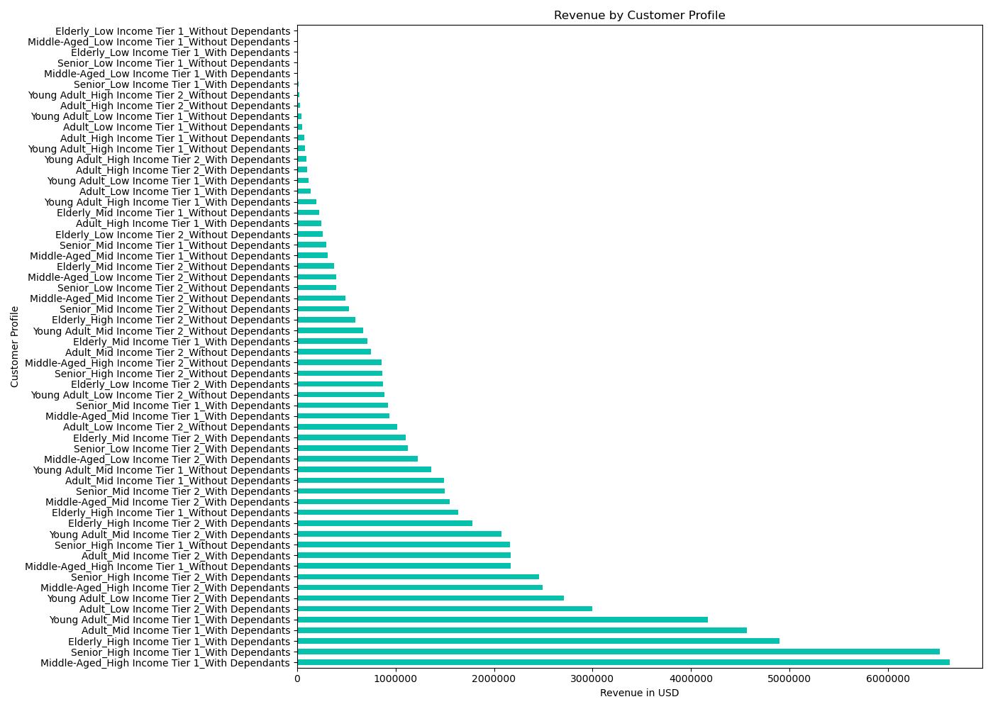
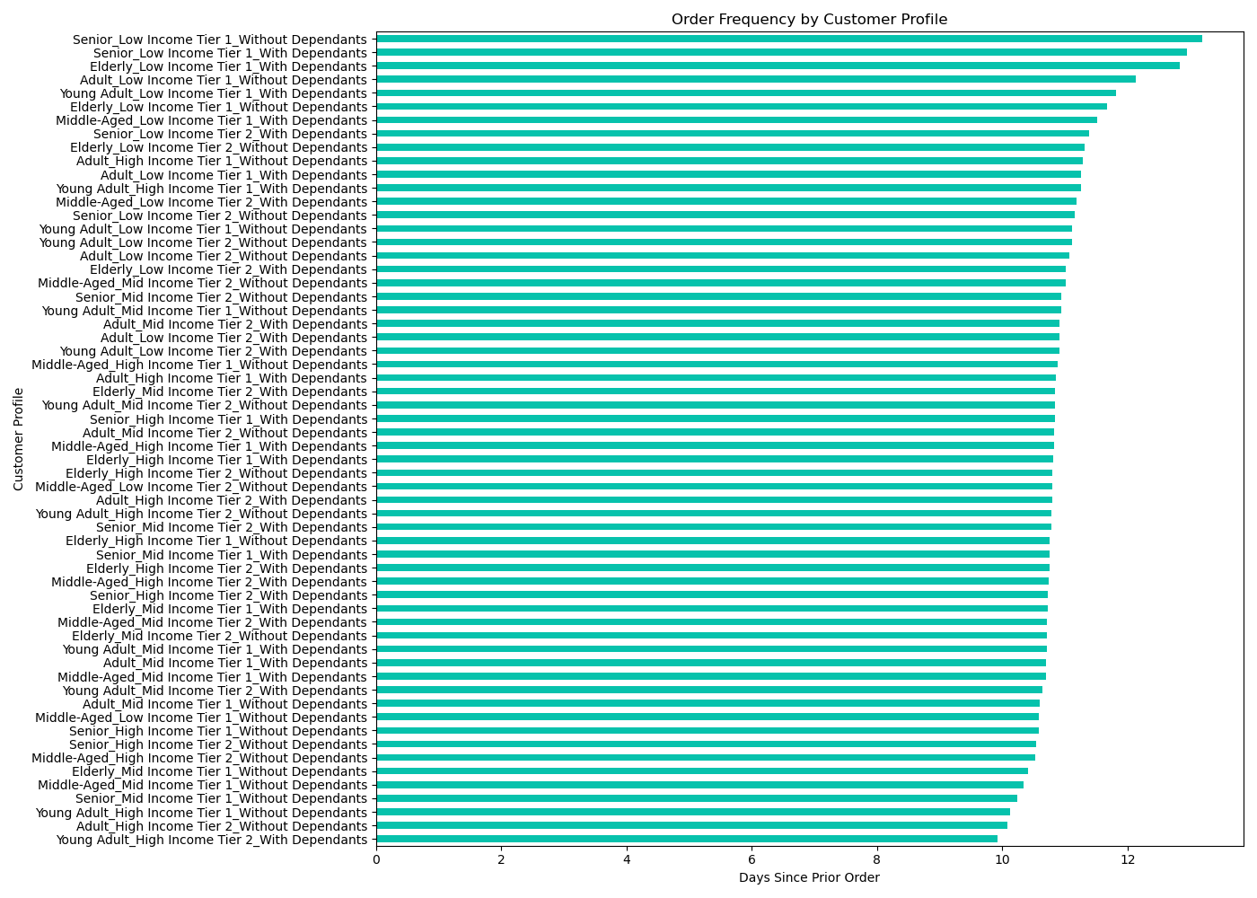

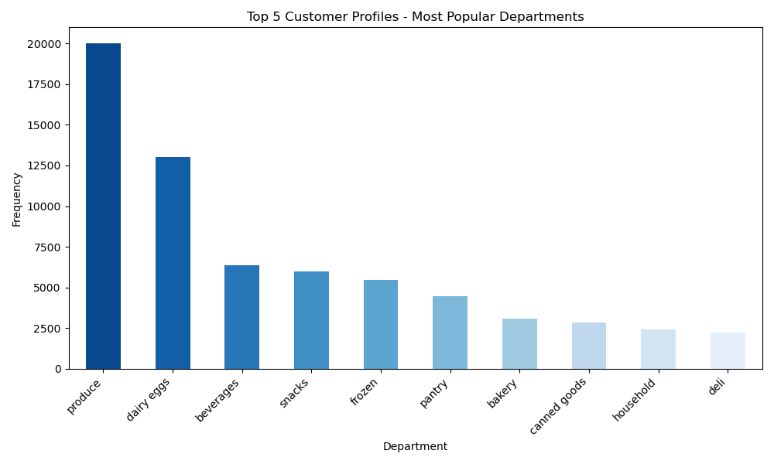

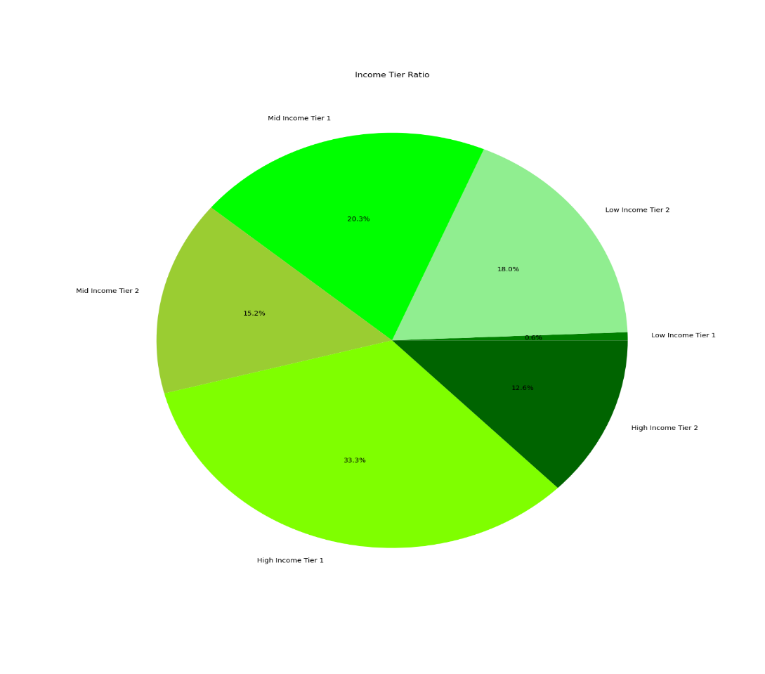

Recommendations:
Our top five revenue producing customer profiles are:
1. Middle Aged High Income Tier 1 with Dependants
2. Senior High Income Tier 1 with Dependants
3. Elderly High Income Tier 1 with Dependants
4. Adult Mid-Income Tier 1 with Dependants
5. Young Adult Mid-Income Tier 1 with Dependants
Our worst five revenue producing customer profiles are: 1. Elderly Low Income Tier 1 without Dependants
2. Middle Aged Low Income Tier 1 without Dependants
3. Elderly Low Income Tier 1 with Dependants
4. Senior Low Income Tier 1 wihtout Dependants
5. Middle Aged Low Income Tier 1 with Dependants
One third of our customers make between 100,000 and 150,000 per year. This is the largest income tier group (High Income Tier 1).
Interestingly, our top 5 customer profiles prefer beverages to the snacks department and also have the household department as their ninth (9th) most consumed department. When we look at all profiles, the household department ranks (11th).
Clearly we need to tailor ads to beverages and household items in these profiles to continue driving sales while also incentivizing these demographics to invite new users to the platform. It is clear that Instacart has a significant attraction to families of all ages. The sales and marketing team needs to highlight how family friendly the platform is, with convenience and efficiency being the focus in order to allow the family to spend more time at home with their loved ones during a hectic but busy schedule.
Another interesting takeaway is located in the "Order Frequency by Customer Profile" chart. Several profiles without dependants actually order the most frequently from the platform. We should seek feedback from these demographics in the form of open ended and/or structured surveys to find out what they use the app to purchase at such a high rate. We should also be asking demographics with dependants how they use the app and whether or not they would be interested in incentive or loyalty programs for bulk orders. The bulk orders department is performing poorly, and if we can get more people buying in bulk, our average order price should also increase.
Ultimately, we need to drill down on these demographic groups to continue to identify additional differences and similarities in order to identify why certain customers prefer to use Instacart. Once we have gleaned that information, we can use that knowledge to attract potential customers by informing them on these preferences that their peers are taking advantage of already.
Last but not least, it is imperative that Instacart create two programs, if they do not exist already. A loyalty program (rewarding existing customers for placing 4 orders per month with discounts. A referral program to incentivize existing and new customers to bring their friends to our business.

